Matters to Migrate
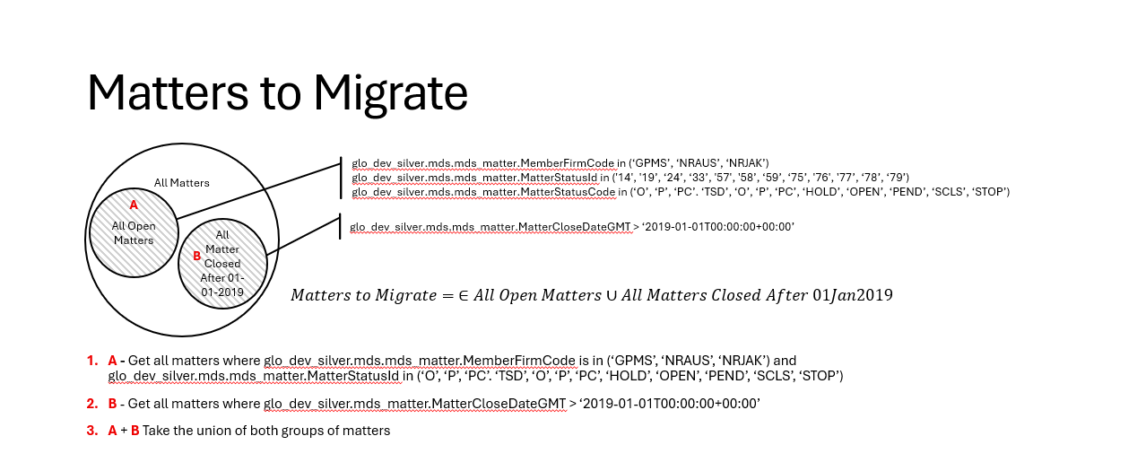

Corrections to image:
2. B - Get all matters where glo_dev_silver.mds_matter.MatterCloseDateGMT >= '2019-01-01'
Include the following filter on group B - MemberFirmCode in ("GPMS", "NRAUS", "NRJAK", "NRFSA")

Clients to Migrate
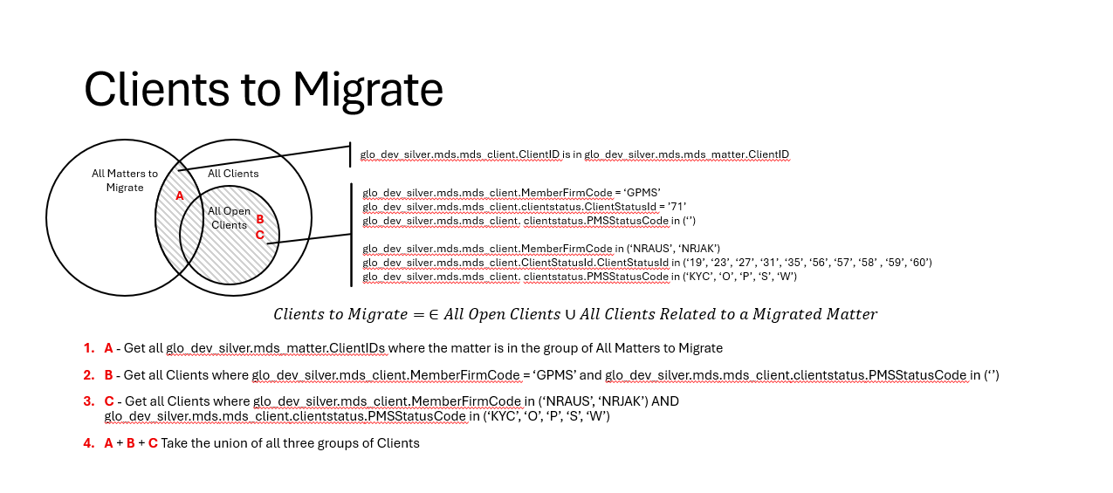

Employees to Migrate
